Login Page
ID | Description | Title | Severity | Reporter | Preconditions | Steps | Actual results | Expected results | Desktop | Mobile
11235 | Error message is not displayed when a blocked user logs in | The error message for a blocked user is not displayed when the user attempts to log in after previously entering invalid credentials. | High | AnhNTN | 1. User is on Login page: https://www.saucedemo.com/ | 1. Enter invalid username and password 2. Click Login button 3. Close the error message 4. Enter the locked user credentials: username: locked_out_user Password: secret_sauce 5. Click Login button | 5. No error message is raised Please check detail in the video here: Video.mp4 | 5. The error message is displayed: "Sorry, this user has been locked out". | OS: Sequoia Browser: Chrome Resolution: 1470x 956 Version: 146.0.7680.165 | Device: iPhone 16 OS: iOS Screen size: 6.1 Mobile Browser: Safari Version: 26.1
11233 | The error message is not displayed correctly. The content is truncated and not fully visible. Additionally, the prefix “Epic sadface:” is displayed as plain text instead of a visual icon, leading to poor UI/UX and inconsistent formatting. | Error message content is truncated and incorrectly formatted | Medium | AnhNTN | 1. User is on Login page: https://www.saucedemo.com/ | 1. Enter invalid user name and password 2. Click Login | 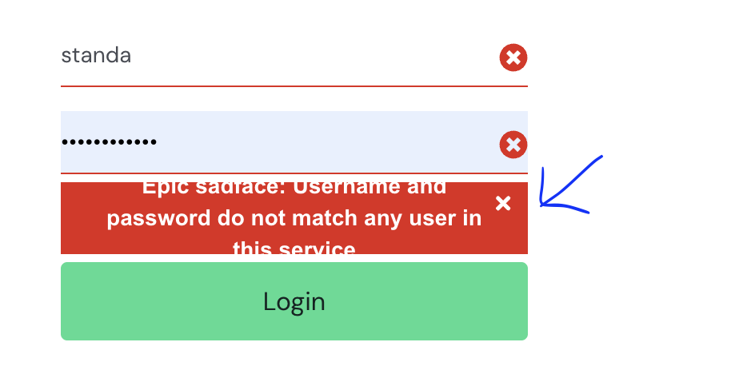 2. Error message content is cut off and not fully displayed. The text “Epic sad face:” is displayed instead of an icon. | 2. Error message is fully displayed without truncation - A visual icon (sad face) is displayed instead of the text “Epic sad face:” - Message content is clear and properly formatted | OS: Sequoia Browser: Chrome Resolution: 1470x 956 Version: 146.0.7680.165 | Device: iPhone 16 OS: iOS Screen size: 6.1 Mobile Browser: Safari Version: 26.1
11234 | When an error message is triggered on the login page, additional close (x) icons appear inside the input fields. | Redundant of the close icon (x) in the input fields when error message is triggered | Medium | AnhNTN | 1. User is on Login page: https://www.saucedemo.com/ | 1. Leave username or password empty (or enter invalid credentials) 2. Click Login button > Check behaviour | 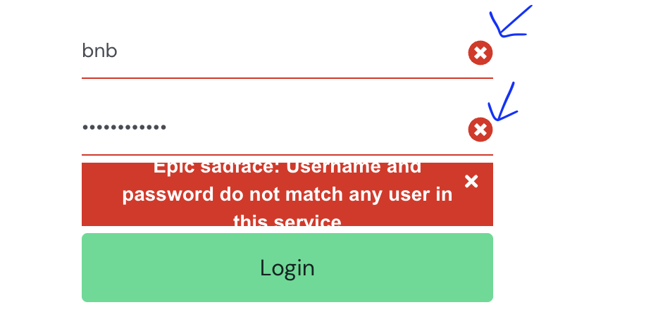 2. Close icons (x) appear in the right corner of the username and password fields | 2. No close icons (x) appear inside the input fields | OS: Sequoia Browser: Chrome Resolution: 1470x 956 Version: 146.0.7680.165 | Device: iPhone 16 OS: iOS Screen size: 6.1 Mobile Browser: Safari Version: 26.1

